Current Statement
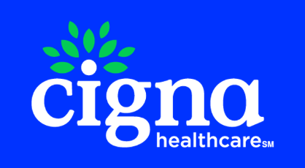
 |  |  | MAIN LINE BENEFITS LLC
 |  |  | Cigna Medicare Commission
 |  |  | 2024-11-15

Cigna Agent Resource Line (CARL): 1- 866-442-7516
Previous Balance | Number of New Applications | New Application Earnings | Number of Renewals | Renewal Earnings | Number of Chargeback | Chargeback Amount | Number of VBE | VBE Amount | Total Payment Due to Agent/Agency
-$91.50 | 2 | $137.50 | 0 | $0.00 | 0 | $0.00 | 0 | $0.00 | $46.00

Payment Type | Beneficiary Name | Medicare Number | Cigna Member Id | Effective Date | Termination Date | Signature Date | State | Payment Amount | Cigna Agent Id | Agent NPN | Agent | GA | MGA | SGA | SGA2 | FMO | RFMO | NFMO | AFMO | Adjustment Notes
New Application | YOUNG, WARREN | 1D03UA8NJ76 | 37119416 | 2024-11-01 | 2078-12-31 | 2024-10-30 | PA | 57.5 | C475237 | 18710070 | MICHELLE MCCORKLE | MAIN LINE BENEFITS LLC |  |  |  |  |  | HEARTLAND FINANCIAL GROUP INC | INTEGRITY MARKETING GROUP NV, LLC | NEW APP PAYMENT
New Application | YOUNG, WARREN | 1D03UA8NJ76 | 37119416 | 2024-11-01 | 2078-12-31 | 2024-10-30 | PA | 80 | C475237 | 18710070 | MICHELLE MCCORKLE | MAIN LINE BENEFITS LLC |  |  |  |  |  |  | INTEGRITY MARKETING GROUP NV, LLC | NEW APP PAYMENT

